VERSACE 19V69 ITALIA
VERSACE 19V69 ITALIA
PHOTOS | REF | MODEL | COL | COLORS | SIZES | QTY | RETAIL | TOTAL
 | V69WBAG48 | Mila | 901 | Black | OS | 434 | 179.99 € | 78,115.66 €
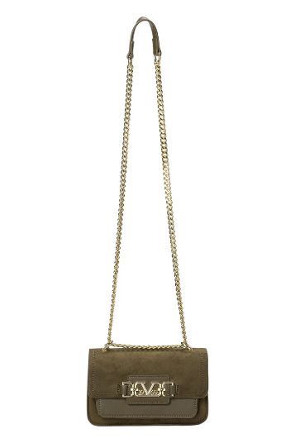 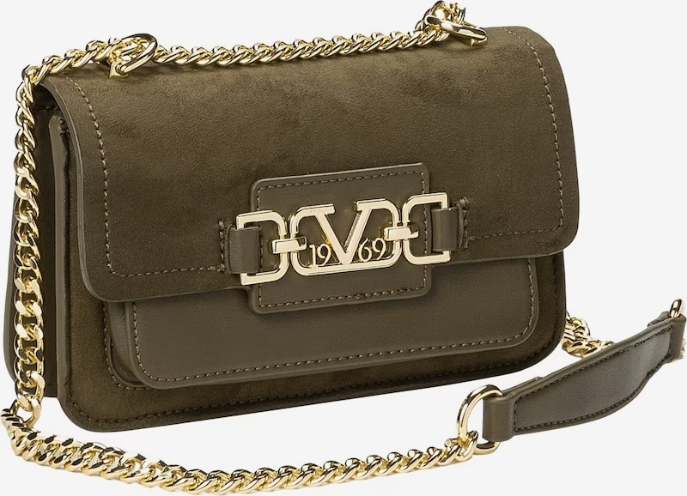 | V69WBAG51G | Jonna Gold | 500 | Green | OS | 121 | 159.99 € | 19,358.79 €
 |  |  | 901 | Black | OS | 500 | 159.99 € | 79,995.00 €
 | V69WBAG51L | Jonna Large Silver | 650 | Navy | OS | 125 | 179.99 € | 22,498.75 €
 |  | Jonna Large Gold | 500 | Green | OS | 123 | 179.99 € | 22,138.77 €
 |  | Jonna Large Gold | 901 | Black | OS | 297 | 179.99 € | 53,457.03 €
 | V69WBAG53 | Lene | 901 | Black | OS | 315 | 179.99 € | 56,696.85 €
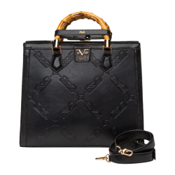 | V69WBAG53L | Lene Large | 901 | Black | OS | 300 | 189.99 € | 56,997.00 €
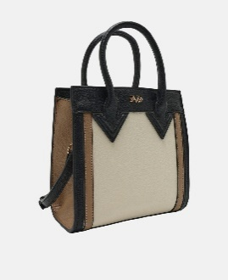 | V69WBAG54 | Lotte | 730M | taupe/orange | OS | 500 | 179.90 € | 89,950.00 €
 |  |  | 750M | Beige/Taupe | OS | 440 | 179.99 € | 79,195.60 €
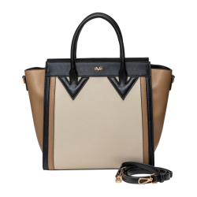 | V69WBAG54L | Lotte Large | 730M | taupe/orange | OS | 500 | 199.99 € | 99,995.00 €
 |  |  | 750M | Beige/Taupe | OS | 405 | 199.99 € | 80,995.95 €
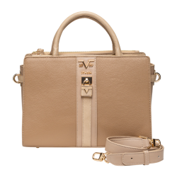 | V69WBAG59 | Lisana | 550 | Military Green | OS | 314 | 179.99 € | 56,516.86 €
 |  |  | 730 | Taupe | OS | 273 | 179.99 € | 49,137.27 €
 |  |  | 901 | Black | OS | 602 | 179.99 € | 108,353.98 €
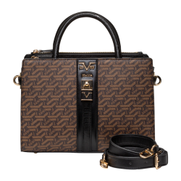 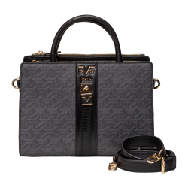 | V69WBAG59A | Lisana Aop | 700 | Brown | OS | 406 | 189.99 € | 77,135.94 €
 |  |  | 850 | Grey | OS | 414 | 189.99 € | 78,655.86 €
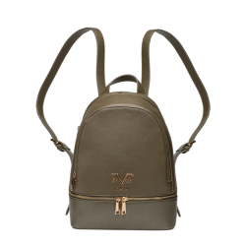 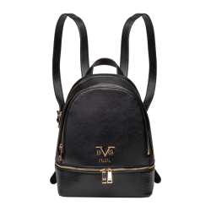 | V69WBAG60 | Robi | 550 | Military Green | OS | 340 | 189.99 € | 64,596.60 €
 |  |  | 730 | Taupe | OS | 314 | 189.99 € | 59,656.86 €
 |  |  | 901 | Black | OS | 642 | 189.99 € | 121,973.58 €
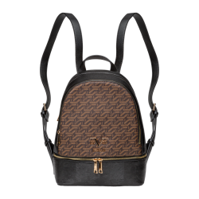 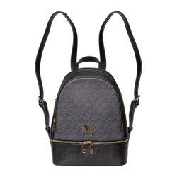 | V69WBAG60A | Robi AOP | 700 | Brown | OS | 425 | 199.99 € | 84,995.75 €
 |  |  | 850 | Grey | OS | 405 | 199.99 € | 80,995.95 €
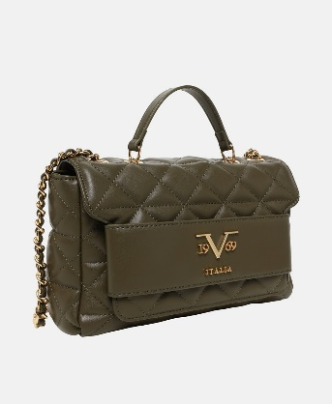 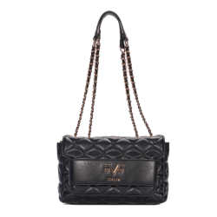 | V69WBAS170 | Gaia Gold | 550 | Military Green | OS | 132 | 169.99 € | 22,438.68 €
 |  |  | 650 | Navy | OS | 129 | 169.99 € | 21,928.71 €
 |  |  | 850 | Grey | OS | 98 | 169.99 € | 16,659.02 €
 |  |  | 901 | Black | OS | 298 | 169.99 € | 50,657.02 €
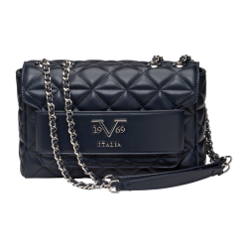 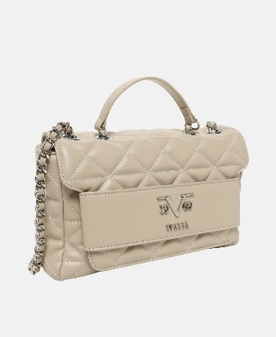 | V69WBAS171 | Gaia Silver | 550 | Military Green | OS | 112 | 169.99 € | 19,038.88 €
 |  |  | 650 | Navy | OS | 88 | 169.99 € | 14,959.12 €
 |  |  | 850 | Grey | OS | 86 | 169.99 € | 14,619.14 €
 |  |  | 901 | Black | OS | 311 | 169.99 € | 52,866.89 €
 | V69WBAS172 | Vivi Gold | 550 | Military Green | OS | 132 | 119.99 € | 15,838.68 €
 |  |  | 650 | Navy | OS | 130 | 119.99 € | 15,598.70 €
 |  |  | 850 | Grey | OS | 105 | 119.99 € | 12,598.95 €
 |  |  | 901 | Black | OS | 321 | 119.99 € | 38,516.79 €
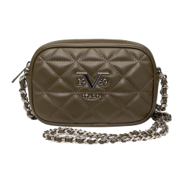 | V69WBAS173 | Vivi Sillver | 550 | Military Green | OS | 75 | 119.99 € | 8,999.25 €
 |  |  | 650 | Navy | OS | 128 | 119.99 € | 15,358.72 €
 |  |  | 850 | Grey | OS | 103 | 119.99 € | 12,358.97 €
 |  |  | 901 | Black | OS | 333 | 119.99 € | 39,956.67 €
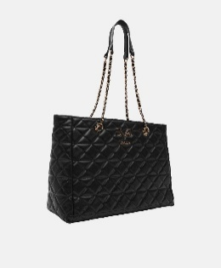 | V69WBAS174 | Silvia Gold | 550 | Military Green | OS | 150 | 189.99 € | 28,498.50 €
 |  |  | 650 | Navy | OS | 150 | 189.99 € | 28,498.50 €
 |  |  | 850 | Grey | OS | 150 | 189.99 € | 28,498.50 €
 |  |  | 901 | Black | OS | 305 | 189.99 € | 57,946.95 €
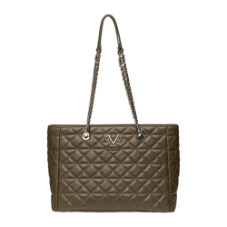 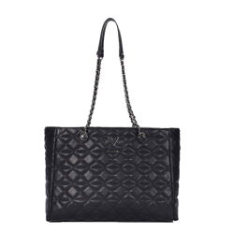 | V69WBAS175 | Silvia Silver | 550 | Military Green | OS | 75 | 189.99 € | 14,249.25 €
 |  |  | 650 | Navy | OS | 115 | 189.99 € | 21,848.85 €
 |  |  | 850 | Grey | OS | 80 | 189.99 € | 15,199.20 €
 |  |  | 901 | Black | OS | 251 | 189.99 € | 47,687.49 €
 | V69WBAS185 | Gaby Gold | 550 | Military Green | OS | 83 | 169.99 € | 14,109.17 €
 |  |  | 650 | Navy | OS | 150 | 169.99 € | 25,498.50 €
 |  |  | 850 | Grey | OS | 115 | 169.99 € | 19,548.85 €
 |  |  | 901 | Black | OS | 387 | 169.99 € | 65,786.13 €
 | V69WBAS186 | Gaby Silver | 550 | Military Green | OS | 150 | 169.99 € | 25,498.50 €
 |  |  | 850 | Navy | OS | 150 | 169.99 € | 25,498.50 €
 |  |  | 850 | Grey | OS | 119 | 169.99 € | 20,228.81 €
 |  |  | 901 | Black | OS | 390 | 169.99 € | 66,296.10 €
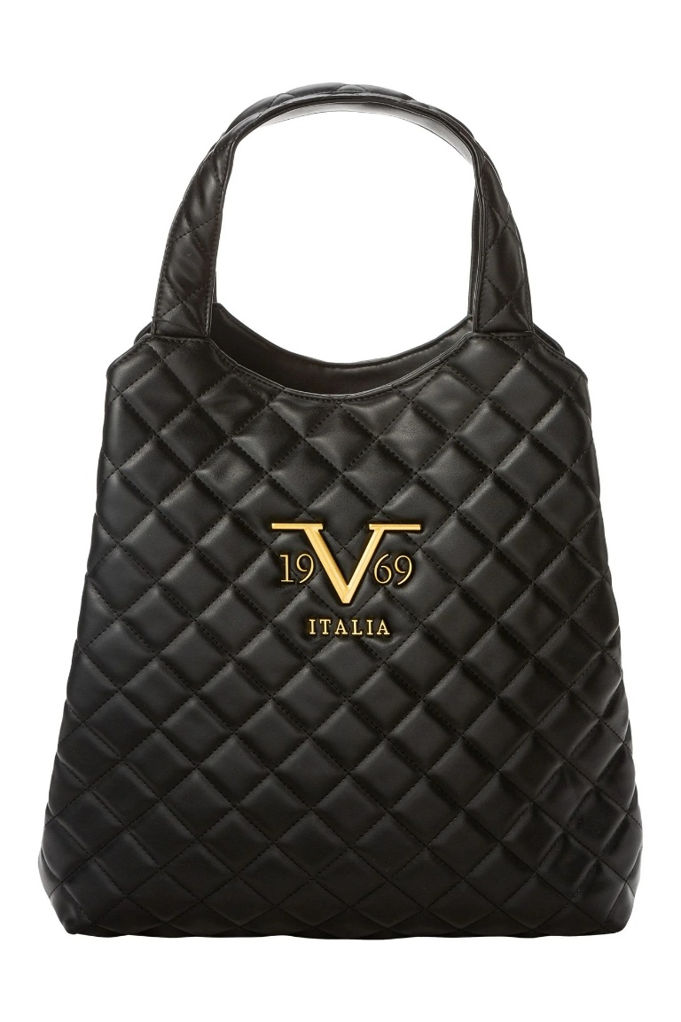 | V69WBAS78 | Nami Gold | 901 | Black | OS | 376 | 199.99 € | 75,196.24 €
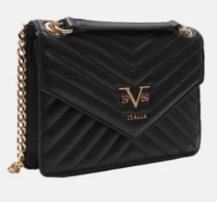 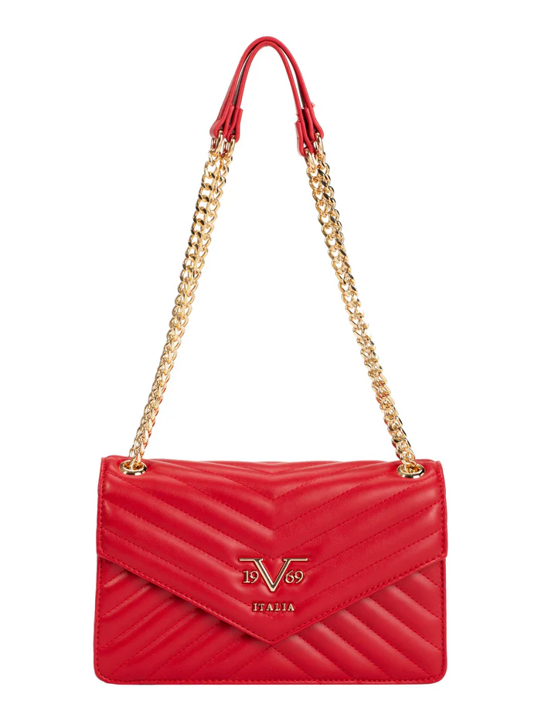 | V69WBAS80 | Blairi Gold | 461 | cherry | OS | 250 | 169.99 € | 42,497.50 €
 |  |  | 901 | Black | OS | 17 | 169.99 € | 2,889.83 €
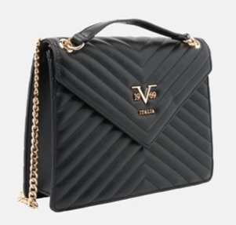 | V69WBAS83 | Bianca | 461 | cherry | OS | 250 | 179.99 € | 44,997.50 €
 |  |  | 901 | Black | OS | 79 | 179.99 € | 14,219.21 €
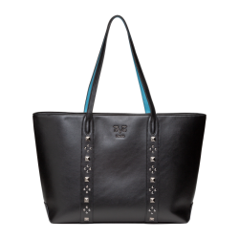 | W25WBAG10 | Avena | 901 | Black | OS | 434 | 189.99 € | 82,455.66 €
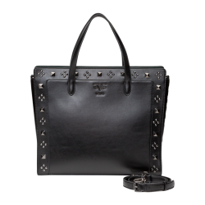 | W25WBAG11G | Azzura | 901 | Black | OS | 440 | 189.99 € | 83,595.60 €
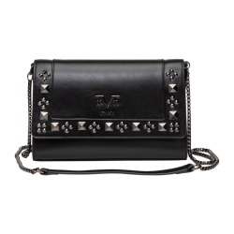 | W25WBAG13G | Cadenza | 901 | Black | OS | 427 | 179.99 € | 76,855.73 €
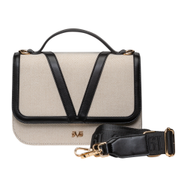 | W25WBAG16 | Dulce | 7509 | Beige/Black | OS | 446 | 169.99 € | 75,815.54 €
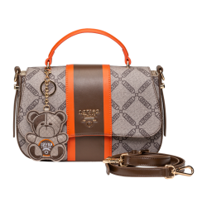 | W25WBAG19 | Giustina | 750 | Beige | OS | 318 | 159.99 € | 50,876.82 €
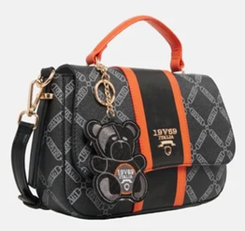 | W25WBAG19 | Giustina | 901 | Black | OS | 303 | 159.99 € | 48,476.97 €
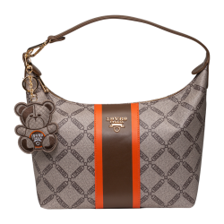 | W25WBAG21 | Marca | 750 | Beige | OS | 163 | 179.99 € | 29,338.37 €
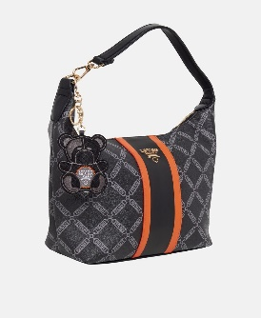 | W25WBAG21 | Marca | 901 | Black | OS | 119 | 179.99 € | 21,418.81 €
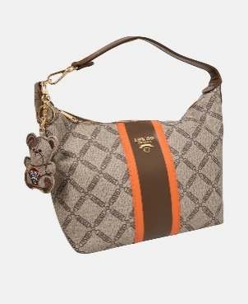 | W25WBAG23 | Rialta | 750 | Beige | OS | 148 | 189.99 € | 28,118.52 €
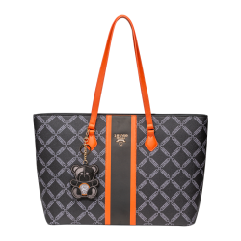 | W25WBAG23 | Rialta | 901 | Black | OS | 138 | 189.99 € | 26,218.62 €
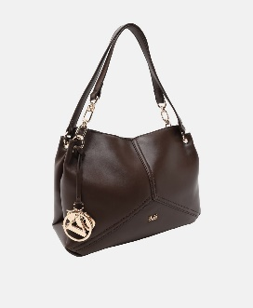 | W25WBAG25 | Aldina | 700 | Brown | OS | 140 | 169.99 € | 23,798.60 €
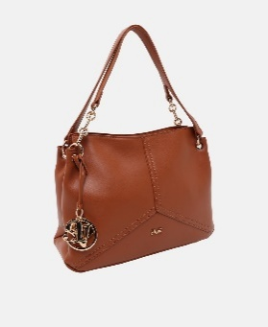 | W25WBAG25 | Aldina | 740 | Cognac | OS | 205 | 169.99 € | 34,847.95 €
 | W25WBAG25 | Aldina | 901 | Black | OS | 225 | 169.99 € | 38,247.75 €
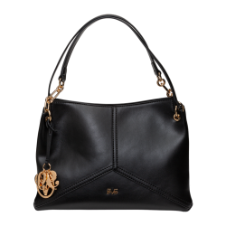 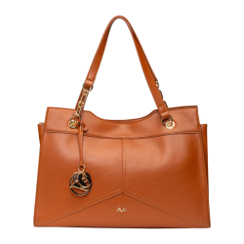 | W25WBAG27 | Armina | 700 | Brown | OS | 110 | 179.99 € | 19,798.90 €
 |  |  | 740 | Cognac | OS | 190 | 179.99 € | 34,198.10 €
 |  |  | 901 | Black | OS | 220 | 179.99 € | 39,597.80 €
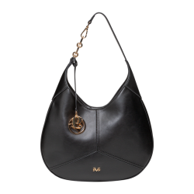 | W25WBAG28 | Basilissa | 700 | Brown | OS | 5 | 179.99 € | 899.95 €
 |  |  | 740 | Cognac | OS | 94 | 179.99 € | 16,919.06 €
 |  |  | 901 | Black | OS | 26 | 179.99 € | 4,679.74 €
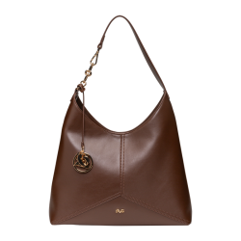 | W25WBAG29 | Campana | 700 | Brown | OS | 5 | 179.99 € | 899.95 €
 |  |  | 740 | Cognac | OS | 95 | 179.99 € | 17,099.05 €
 |  |  | 901 | Black | OS | 34 | 179.99 € | 6,119.66 €
 | W25WBAG36 | Ortensia | 901 | Black | OS | 409 | 199.99 € | 81,795.91 €
TOTAL VERSACE 19V69 Italia |  |  |  |  |  | 19,262 | 177.58 € | 3,420,572.38 €

